Key insights
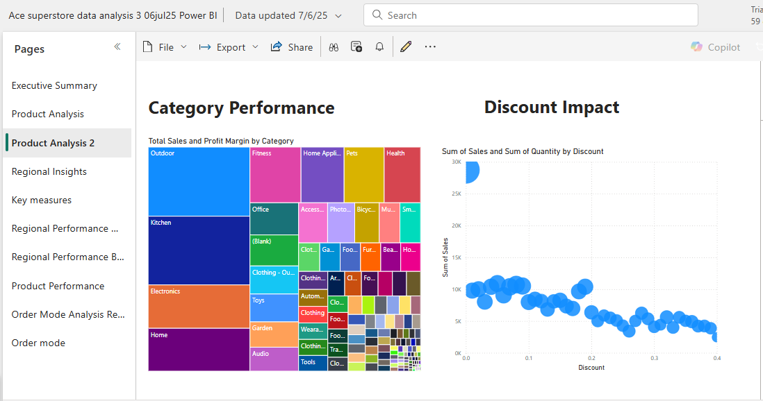
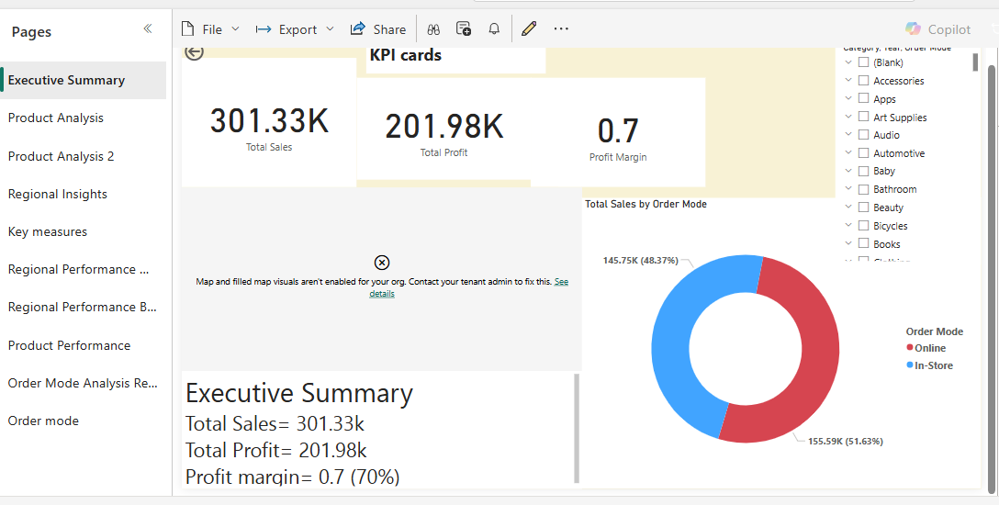
Key Insights
1. Financial Performance
Total Sales: $301.33K | Total Profit: $201.98K | Profit Margin: 70%
Interpretation: Exceptionally high profit margin .

2. Sales Channels

In-store (48.37% / $145.75K) vs. Online(51.63% / $155.59K).
Opportunity: Both channels are viable, but more need to be done on Online Channel

3. Top Products
Highest Revenue:
Portable Refrigerator Freezer ($4,504)
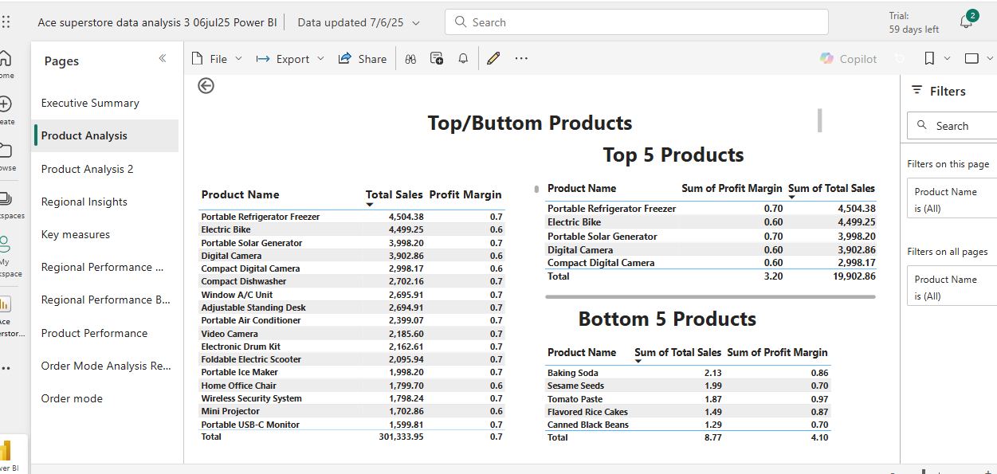
Electric Bike ($4,499)
Portable Solar Generator ($3,998)
High-Profit Margins (70%): 10 of the top 15 products.
Trend: Premium electronics/appliances dominate top sales.
4. Low-Performing Products
Bottom 5 (e.g., Baking Soda, Sesame Seeds, Tomato Paste) averaged $1.75 sales per item (vs. top products averaged 3.5K).
Issue: low Sales

5. Regional Sales
Top Regions: London ($35.88K), East of England ($43.39K), South East ($44.97K).
Data Gaps: "Unspecified" regions appeared frequently . Null values were not deleted because it will affect sales calculation

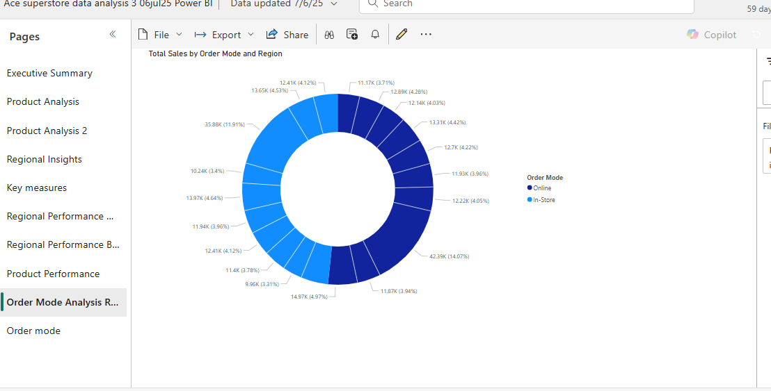
7. Discount Impact
Discounts up to 40% were offered, Peak sales occurred at 10-20% discounts. Page3 Scatter Chart

8. Category Performance
Top categories: Outdoor, Kitchen, Electronics (page 3). Weak categories: Food, Art Supplies, Audio.

